A12a Product schedule
 | Product Schedule |  | 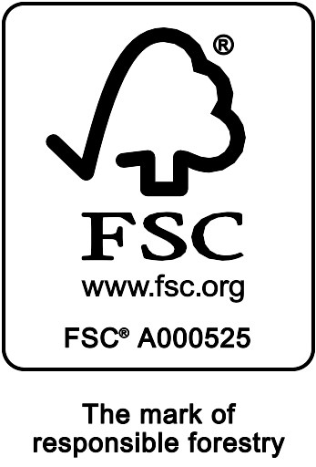

This schedule details the products which are included in the scope of the company's certification. It shall accompany the FSC® certificate. If the product scope changes a new schedule will be issued.

Certificate scope including products and certified sites may also be checked on the FSC web database www.info.fsc.org
Description of Certificate holder
Name: | Sappi Southern Africa Ltd
Address: | P O Box 13124, Cascades 3202
Country | South Africa
Certificate Code: | SA-FM/COC-001230
Type of certificate | Single
Date of issue: | 14-Mar-18 | Date of expiry: | 13-Mar-23

Product Groups available from this certificate holder include:
NB. The covered products and processes/ activities are performed by the network of participating management units, and not necessarily by each of them. |  |  |  | delete this row if single site
FSC Status | Product type | Product code | Species Separate with semicolon. * indicates species not included on FSC database
FSC 100% | Roundwood (logs) | W1.1 | Pinus patula; Pinus taeda; Pinus elliottii; Pinus patula X elliottii; Pinus elliottii caribbea hybrid; Pinus greggii; Pinus roxburghii; Pinus tecunumannii; Acacia mearnsii; Eucalyptus cloeziana; Eucalyptus dunnii; Eucalyptus fastigata; Eucalyptus macarthurii; Eucalyptus grandis; Eucalyptus maculata; Eucalyptus urophylla; Eucalyptus nitens; Eucalyptus saligna; Eucalyptus smithii
FSC 100% | Wood Chips | W3.1 | Pinus patula; Pinus taeda; Pinus elliottii; Pinus patula X elliottii; Pinus elliottii caribbea hybrid; Pinus greggii; Pinus roxburghii; Pinus tecunumannii; Acacia mearnsii; Eucalyptus cloeziana; Eucalyptus dunnii; Eucalyptus fastigata; Eucalyptus macarthurii; Eucalyptus grandis; Eucalyptus maculata; Eucalyptus urophylla; Eucalyptus nitens; Eucalyptus saligna; Eucalyptus smithii

Date of issue/re-issue:

Soil Association Certification • United Kingdom
Telephone (+44) (0) 117 914 2435 • Fax (+44) (0) 117 314 5001
Email forestry@soilassociation.org ● www.sacert.org/forestry

Soil Association Certification Ltd • Company Registration No. 726903
A wholly-owned subsidiary of the Soil Association Charity No. 20686

